Model Summary
Model Summary | Feature Importance
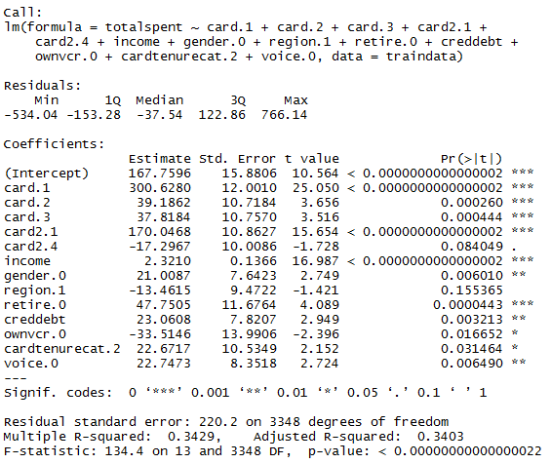
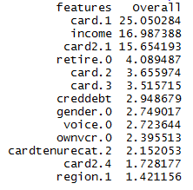

Multicollinearity

Training Data Actuals vs Predic
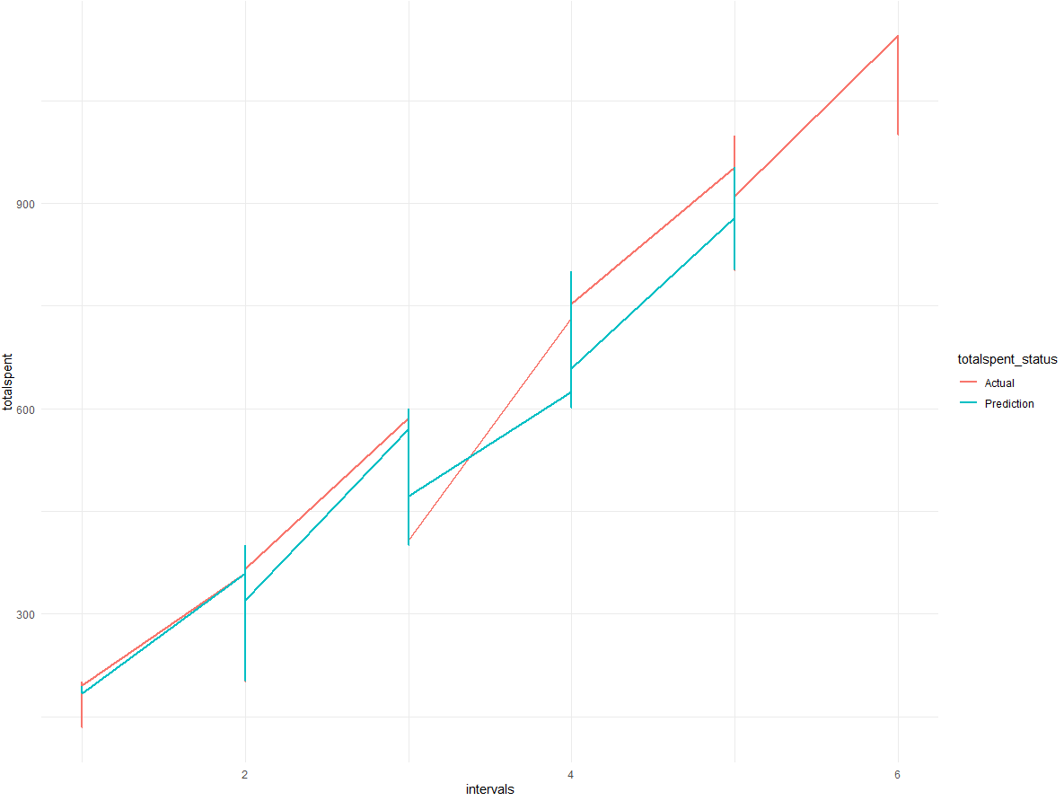
Graph of Actual vs Predicted Values for Training Data

Test Data Actuals vs Predicted
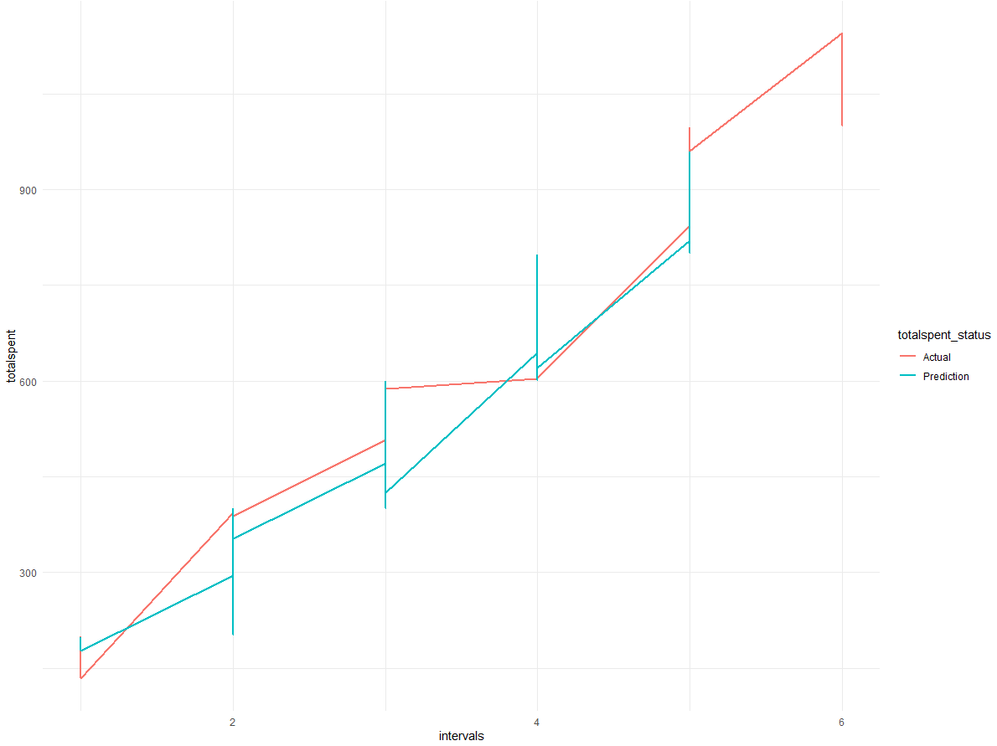
Graph of Actual vs Predicted Values for Test Data

